Guidance
Welcome, this set of templates will allow you to record
1. Risks
2. Information Asset Risks
3. Issues
The registers are presented in separate worksheets in one spreadsheet, you move between them by clicking on the relevant worksheet tab at the bottom of the window.
FAQ
Q. Do I need to complete all of the different worksheets?
A. No, not if you don’t need to. If you only want to complete the risk register or you want to forward it to someone else to complete then simply delete the worksheets you do not need. For example if you only want to use the risk register then right-click on the information asset risk register/issues/ opportunities worksheet tabs at the bottom of the spreadsheet and select delete. See screen shot to the right.
Q. There are not enough rows on the register?
A. If you have run out of rows then copy and paste in new ones. You do this by selecting the rows you want to copy by left clicking on the row number (to select multiple rows then press and hold the left mouse button and move it from the first row you want to select to the last). Then select the row you would like the copied row to be pasted into and right click and select ‘insert copied cells’. This method will ensure any formulas in the cells remain consistent.
Q. I want to sort the rows on the Risk Register but it has merged cells, how can I reorder the rows?
A. The merged cells do make it harder to sort information; the solution is to copy and insert the rows you would like to change.
Q. How do I complete the risk register template?
A. Please see the next page for an overview or alternatively the risk management guidance on IWS.

1. Risk Reference You should assign each risk a unique reference number "WPC/nn" The reference will end "/MM/YY" indicating the month and year the risk was identified. |  | 3. Risk Description This is the section used to describe what the risk is. Provide an overall risk title then break it down into Cause | Effect | Impact. |  | 5. Likelihood and Impact Scores The likelihood score is how likely it is that the risk will become an issue. See table below for information on scoring. The impact score is how big an impact the risk would have should it happen. See table below for information on scoring. The overall risk score is the likelihood score multiplied by the impact score. This is completed for both the current and previous reporting period. |  |  |  |  | 6. RAG Trend This indicates whether the risk has increased in priority, decreased in priority, or remained the same between the previous and current reporting period. Should the risk have gone up or down, this should be explained in the "Mitigating Actions" section through which actions have or have not progressed to change the RAG scoring. |  |  |  |  | 9. Residual Risk This is the expected score of the risk once the mitigating actions have been completed but should also refelect the progress of the mitigating actions i.e. if the mitigation actions are expected to get the risk to green but progress against these actions is proving difficult the scoring could then increase to Amber to reflect that Green may not yet be achieveable.

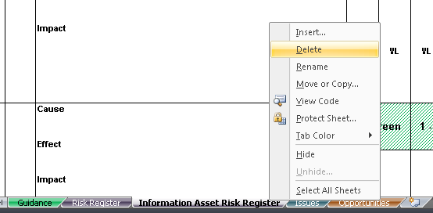

 | Risk ref. | Risk Description | PREVIOUS PERIOD RAG |  |  |  | THIS PERIOD RAG |  |  |  | RAG TREND | Proximity | Mitigating Actions | Residual Rsik
 |  |  | RAG Status | Likelihood | Impact | Score | RAG Status | Likelihood | Impact | Score
 | 2. Risk Owner This is the individual who has overall ownership of the risk. Risks owners do not always have to be action owners. |  | 4. RAG Status This section is autopopulated based on the likelihood and impact scores with a skew towards impact. See diagram below for details. It will indicate whether the risk is of high priority (Red), low priority (Green), moderate priority (Amber), or somewhere in between (Amber/Green or Amber/Red). |  |  |  |  |  |  |  | 7. Proximity This indicates when the risk is likely to materialise. Black is imminent; Red is within 3 months, Amber is within 6 months, and Green is further than 6 months away. |  |  | 8. Mitigating Actions This section should contain a list of actions that are being taken to reduce the likelihood of the risk happening or the impact that the risk would have. This section should also contain a contigency plan of what will happen if the risk materialises. All actions should have assigned action owners and dates the action is expected to be completed.

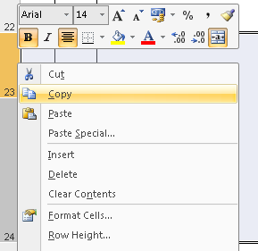
Likelihood
Impact
1 = Rare
<10%
2 = Unlikely
10% -33%
3 = Possible
34% - 67%
4 = Likely
68% - 89%
5 = Almost Certain
>90%
1 = Very Low
2 = Low
3 = Medium
4 = High
5 = Very High
Risk Scoring
A
A/R
R
R
A
A
A/R
R
R
A/G
A
A
A/R
A/R
G
A/G
A/G
A
A
G
G
G
G
G
5
4
3
2
1
1
2
3
4
5
Likelihood
Impact
Overall Risk Rating

